1. Title Page
[Project Name]

Project Name: Instacart Grocery Basket Analysis
Date: 24/09/2023
Analyst Name: Facundo Arakaki

Contents:
Population Flow
Consistency checks
Wrangling steps
Column derivations
Visualizations
Recommendations

2. Population Flow
Title page

Population flow

Exclusion flag
Condition: max_order <
Obervations to be removed:
Final total count of order_products_all:

Orders_products_combined
Orders_products_merged
Orders_products_all

Total: 32,406,041 rows x 22 columns
Total: 32,434,489 rows x 12 columns
Total: 32,406,041 row x 32 columns

1.) The grey boxes in the first row of the population flow represent the original data sets as they were when you downloaded them. In the Total fields you need to add the count of the rows when you imported the data set into Jupyter.
2.) The second row of boxes (coloured) represents the data sets after you manipulated them, e.g., removed missing values and duplicates. In the Total fields you need to add the count of the rows after conducting these operations. This offers a visual oveview of how the data flows throughout the data consistency checks.
3.) The third row, where also the arrows are coloured, represents the merges you performed between the datasets. In the Total fields you need to add the count of the rows in the merged datasets, so that you end up with the final dataset (in the red box). Keep in mind the final dataset should be without exclusions (based on the exclusion flag).

3. Consistency checks
 |  |  |  | Title page
Consistency checks

Dataset | Missing values | Missing values treatment | Duplicates
orders | 206, 209 missing values for the days_since_prior_order column | The presence of missing values in this column aligns with the pattern of first-time orders, offering valuable insights into customer behavior and order history. As a result, these missing values hold significance and contribute to the dataset's informative value. Therefore, there is no need to eliminate or modify these data points. | No duplicates found
products | 16 missing values of the column product_name | Created new dataframe without missing values in "product_name" | 5 duplicates, created a new dataframe without the duplicates
orders_products_prior | no missing values found | N/A | No duplicates found
customers | 11,259 missing values in the "First Name" column. | Missing values left as is | No duplicates found

4. Wrangling steps
 |  |  |  | Title page
Wrangling steps

Columns dropped | Columns renamed | Columns' type changed | Comment/Reason
eval_set |  |  | column dropped
 | order_dow |  | changed to 'order_day_of_week'
 |  | order_id | changed data type to str as do not represent numeric values
 |  | user_id | changed data type to str as do not represent numeric values
 | days_since_prior_order |  | changed to 'days_since_last_value'
 | First Name |  | changed to 'First_Name' for clarify and consistency
 | Surnam |  | changed to 'Last_Name' for clarify and consistency
 | STATE |  | changed to 'State' for clarify and consistency
First_Name |  |  | removed 'First_Name' column because of PII data privacy regulation
Last_Name |  |  | removed 'Last_Name' column because of PII data privacy regulation

5. Column derivations
 |  |  |  | Title page

Column derivations and aggregations

In this tab you should add tables below that the frequences of flags/label variables that you produced after deriving them. NB: don't do this for continuous variables, only for flags.
Dataset | New column | Column/s it was derived from | Conditions
ords_prods_merge | price_range_loc | prices | 1. 'Low range product: prices <=5 2. Mid range product: prices >5 & <= 15 3. High range product: prices > 15
ords_prods_merge | busiest_day | orders_day_of_the_week | 1. Busiset day: order_day_of_week = 0 2. Least busy: order_day_of_week = 4 3. Regularly busy: all else
ords_prods_merge | busiest_days | orders_day_of_the_week | 1. Busiest Days: order_day_of_week =< 1 2. Least busydays: order_day_of_week = 4 or 3 3. Regularly busy: all else
ords_prods_merge | busiest_period_of_day | order_hour_of_day | 1. Most orders: from 9 to 16 (>=9 and <=16 2. Fewest orders: from 23 to 6(>=23 or <=6) 3. Average orders: All else (>=17 and <=22)
ords_prods_merge | max_order | user_id / order_number | Max number of orders for each user_id
ords_prods_merge | loyalty_flag | max_order | 1. Loyal customer: max_order > 40 2. Regular Customer: max_order <= 40 & >10 3. New Customer: max_order <= 10
ords_prods_merge | average_price | user_id / prices | Mean prices for each user_id
ords_prods_merge | spending_flag | avg_price | 1. Low spender: avg price < 10 2. High spender: avg price >= 10
ords_prods_merge | median_days_since_last_order | user_id / days_since_last_order | Median number of orders
ords_prods_merge | order_frequency_flag | median_days_since_prior_order | 1. Non-frequent customer: median_days_since_prior_order >20 2. Regular customer: median_days_since_prior_order <= 20 & >10 3. Frequent customer: median_days_since_prior_order <=10
df_combined_file | Region | States | 1. Northeast = ['Maine', 'New Hampshire', 'Vermont', 'Massachusetts', 'Rhode Island', 'Connecticut', 'New York', 'Pennsylvania', 'New Jersey'] 2. Midwest = ['Wisconsin', 'Michigan', 'Illinois', 'Indiana', 'Ohio', 'North Dakota', 'South Dakota', 'Nebraska', 'Kansas', 'Minnesota', 'Iowa', 'Missouri'] 3. South = ['Delaware', 'Maryland', 'District of Columbia', 'Virginia', 'West Virginia', 'North Carolina', 'South Carolina', 'Georgia', 'Florida', 'Kentucky', 'Tennessee', 'Mississippi', 'Alabama', 'Oklahoma', 'Texas', 'Arkansas', 'Louisiana'] 4. West = ['Idaho', 'Montana', 'Wyoming', 'Nevada', 'Utah', 'Colorado', 'Arizona', 'New Mexico', 'Alaska', 'Washington', 'Oregon', 'California', 'Hawaii']
df_combined_file | customer_activity | max_order | 1. low activity customer: max_order < 5 2. high activity customer: max_order >= 5
df_hac_final | age_group | Age | 1. Young Adults 18-35: Age <=35 2. Middle-Age Adult 36-55: Age <=55 3. Senior Adult 56+: Age > 55
df_hac_final | income_group | Income | 1. Low Income: income <= 100000 2. Medium Income: income > 100000 & income <= 200000 3. High Income: income > 200000 & income <= 300000 4. Elevated Income: income > 300000
df_high_act_customer_dept | dependants_group | n_dependants | 1. Parent: n_dependants > 0 2. Childness: n_dependants == 0
df_high_act_customer_dept | family_type | n_dependants / fam_status | 1. Married with children: n_dependants > 0 & fam_status == 'married' 2. Single parent: n_dependants > 0 & fam_status == 'single' 3. divorced/widowed with children: n_dependants > 0 & fam_status == 'divorced/widowed' 4. living with parents and siblings with children: n_dependants > 0 & fam_status == 'living with parents and siblings 5. Married without children: n_dependants == 0 & fam_status == 'married' 6. Single without children: n_dependants == 0 & fam_status == single 7. divorced/widowed without children: n_dependants == 0 & fam_status == 'divorced/widowed’ 8. living with parents and siblings without children: n_dependants == 0 & fam_status == living with parents and siblings without children
df_high_act_customer_dept | Day | order_day_of_week | 0 = Saturday 1 = Sunday 2 = Monday 3 = Tuesday 4 = Wednesday 5 = Thursday 6 = Friday
df_high_act_customer_dept | Shopper day | Day | 1. Weekend Shopper: Day == Saturday & Day == Sunday 2. Weekday Shopper: Day != Saturday & Day != Sunday

6. Visualizations
 |  |  |  |  | Title page

Visualisations

In this tab you should include all the visualtions from Exercises 4.9 and 4.10, alongside the questions from the project brief that they answer. Include any commentary on the relationship between different variables.

Ex 4.9 Visualizations

Task 2: If you haven’t done so already, follow the instructions in the Exercise to create a bar chart, a histogram, a scatterplot, and a line chart, using a sample subset for the line chart.

a) Create a bar chart
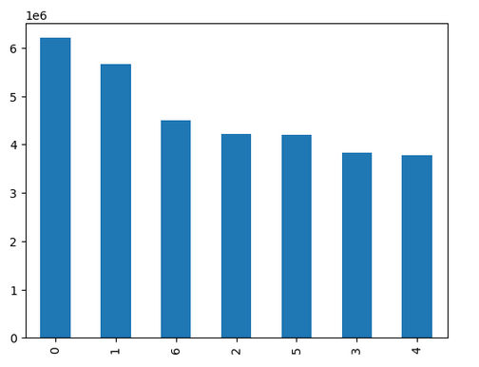
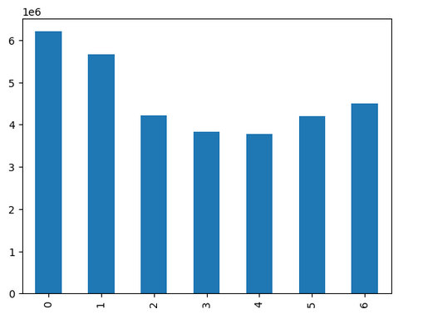
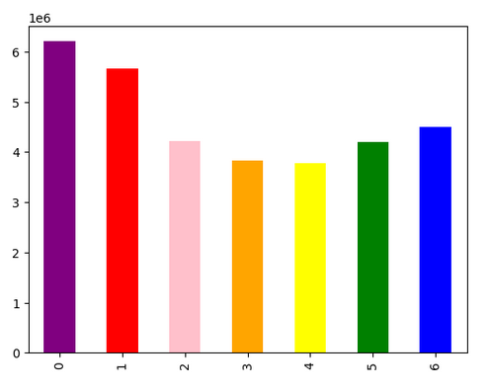

b) Create a Histogram
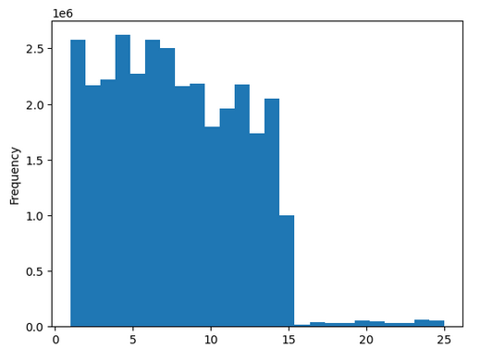

c) Create a Scaterplot

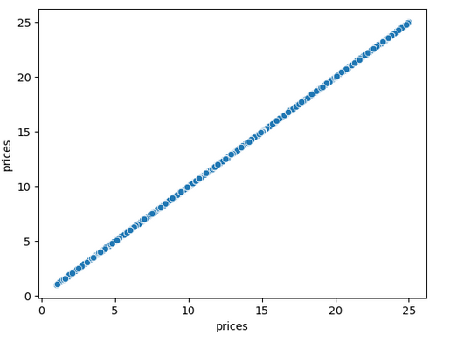

d) Create a Scaterplot
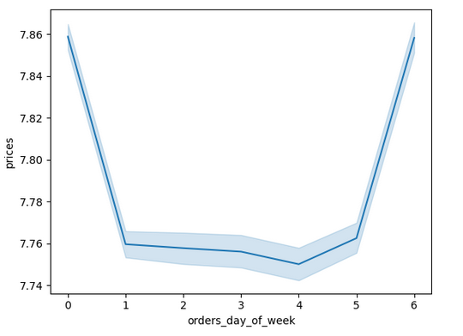

Task 3: You need to provide the Instacart senior stakeholders with descriptive findings about sales. Create a histogram of the “order_hour_of_day” column. In a markdown cell beneath your histogram, describe what the histogram demonstrates.

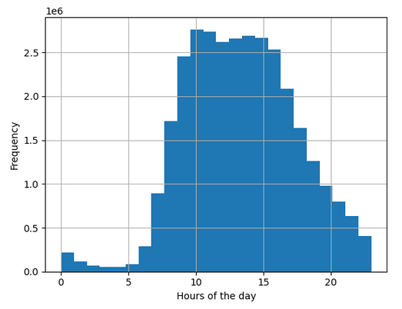

 |  | Note: Histogram shows the peak hours of order throughout the day. - 0 to 7: Lowest frequency - 7 to 10: Frequency begins to raise reaching it peaks at 10-11am - 11 to 15: remains stable - 16 to 23: The frequency starts to decrease consistency.

Task 4: The marketing team is curious about the distribution of orders among customers in terms of loyalty. Create a bar chart from the “loyalty_flag” column

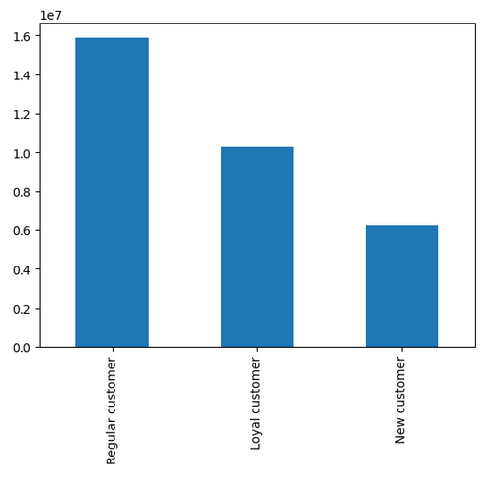

 |  | Note: Most of the customer are regulars

Task 5: Check whether there’s a difference in expenditure (the “prices” column) depending on the hour of the day. (Hint: To check this, you need to use an accurate sample for your line chart!)
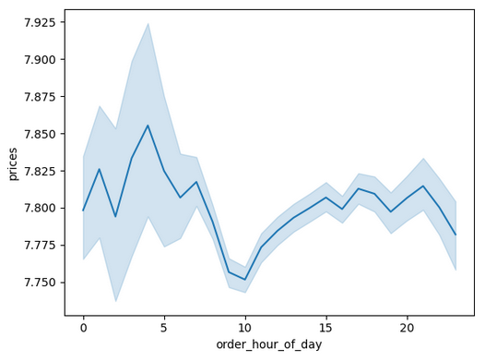

 |  | Note: It look like the customers buy more expensive products during the early hours of the day

Task 6: Now that you have information about customers, you need to conduct some exploratory analysis of customer demographics to inform the targeted marketing campaigns. First, determine whether there’s a connection between age and family situation by creating a line chart exploring the connections between age and number of dependents: In a markdown cell beneath your line chart, describe what the line chart shows.
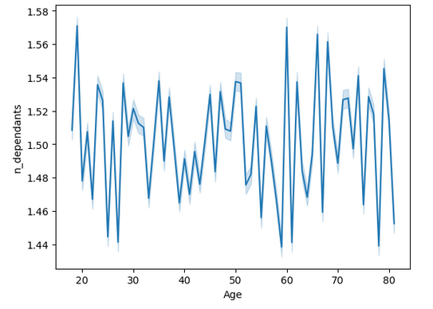

 |  | Note: It doesnt look that there is any trend

Task 7: You’ll also need to explore whether there’s a connection between age and spending power (income). To visualize this relationship, create a scatterplot using the sns.scatterplot() function. In a markdown cell beneath your scatterplot, describe what the scatterplot shows.
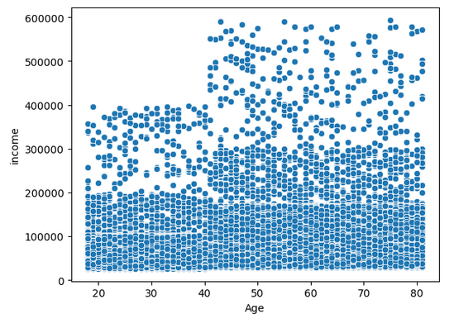

 |  | Note: The observations indicate several trends: - Income Concentration Below 200K: Most individuals across all age groups tend to have incomes below 200K. - Increase in Income After Age 40: Around the age of 40 and beyond, there is a noticeable increase in income. More people over this age group appear to be making up to 300K. - Limited High Incomes at Younger Ages: nobody below the age of 40 is making incomes above 400K. - Higher Income Range for Age 40+: In contrast to younger age groups, there appears to be a more generous income range for individuals aged 40 and above, with some even earning up to 600K.

Ex 4.10 Visualizations

Task 6: Create an appropriate visualization to show the distribution of profiles

1) Age Group Distribution
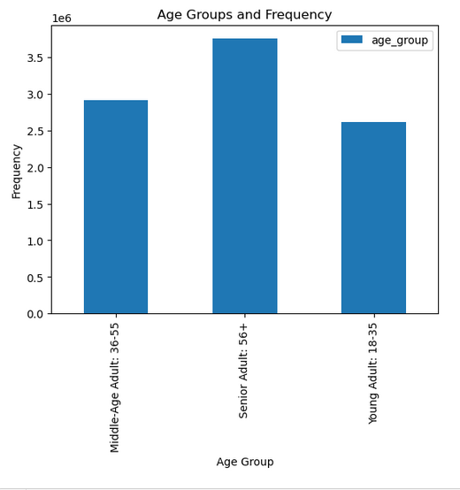

 |  | Note: The "Senior Adult" group is the one that shows the most frequency of customers, followed by the Middle-Age Adults.

2) Income Group Distribution

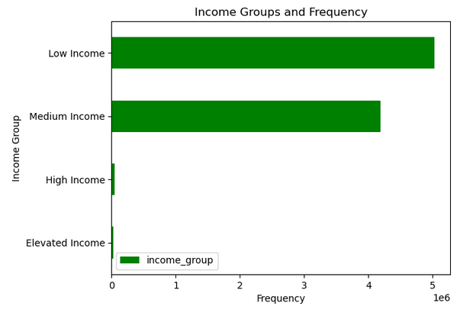

 |  | Note: The low income and medium income groups are the most frequent customers showing a big gap from the High and Elevated income groups of people.

3) Parents Group Distribution

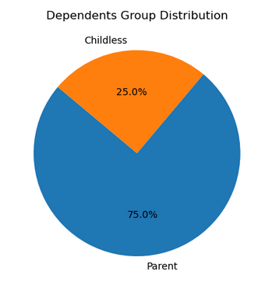
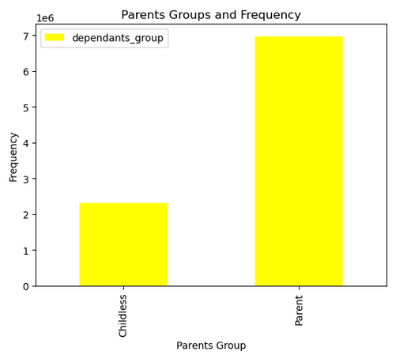

 |  |  | Note: People with children shows to be the most frequent customers with a 75% in comparison to people without children with just 25%

4) Family Type Group Distribution

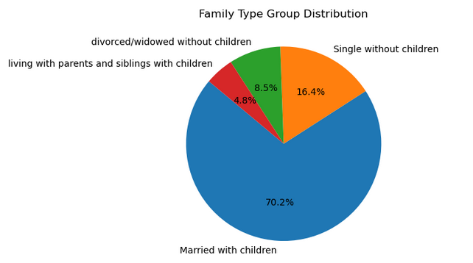
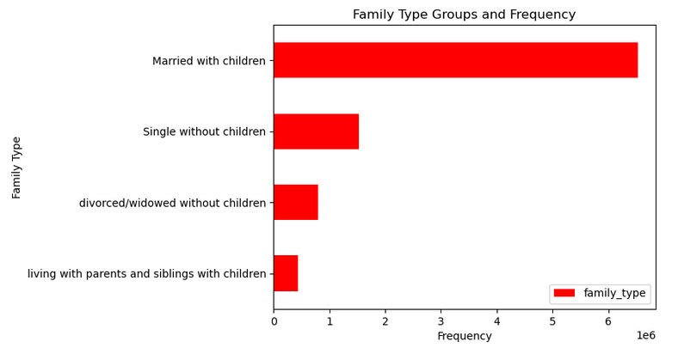

 |  |  |  |  |  | Note: Married couples which children are the most frequent customer showing a big gap in comparison to the other 3 groups. Big families living with parents, siblings with children shows to be the ones with lowest frequency

5) Shopper Day Distribution
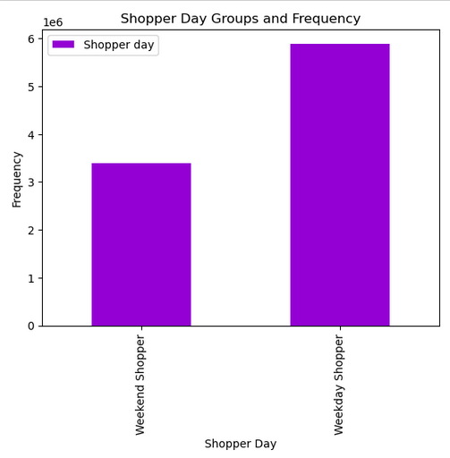
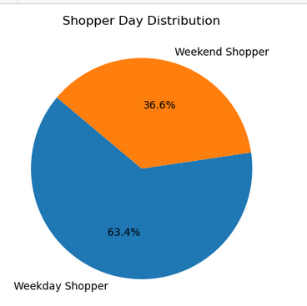

 |  |  |  | Note: The trend shows that most of the customers prefers to do their shopping during the weekdays instead of weekends

Task 9: Produce suitable charts to illustrate your results and export them in your project folder.

1) The sales team needs to know what the busiest days of the week and hours of the day are (i.e., the days and times with the most orders) in order to schedule ads at times when there are fewer orders.
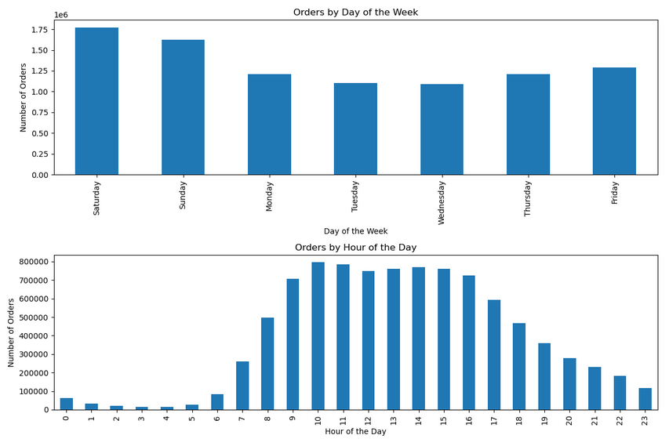

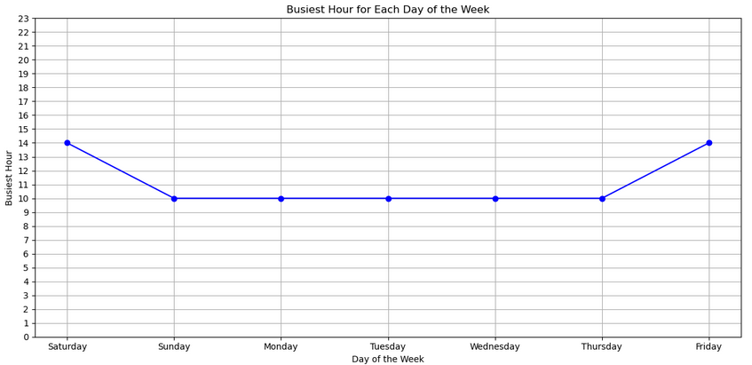

Answer: | Saturday emerges as the day experiencing the highest customer activity, highlighting a distinct consumer preference for weekend shopping. Peak shopping hours are typically between 10 AM and 3 PM, indicating a pronounced inclination for midday purchases.

2) They also want to know whether there are particular times of the day when people spend the most money, as this might inform the type of products they advertise at these times.

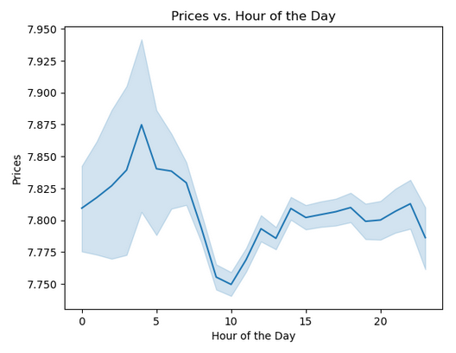

Answer: | Consumer spending reaches its zenith between the early morning hours of 3 AM and 5 AM, marking this timeframe as the period when shoppers allocate the most funds to their purchases.

3) Instacart has a lot of products with different price tags. Marketing and sales want touse simpler price range groupings to help direct their efforts.

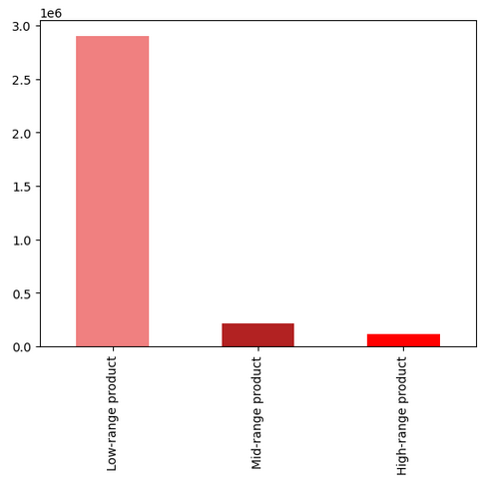
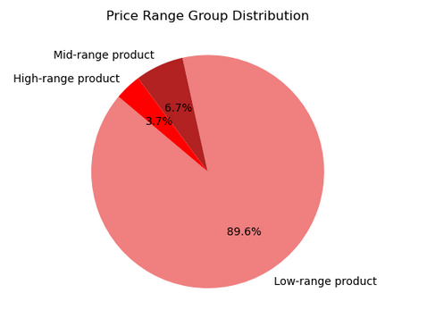

Answer: | Low-range product consumers are have a clear gap from the other 2 tags with 89.6%

4) Are there certain types of products that are more popular than others? The marketing and sales teams want to know which departments have the highest frequency of product orders.

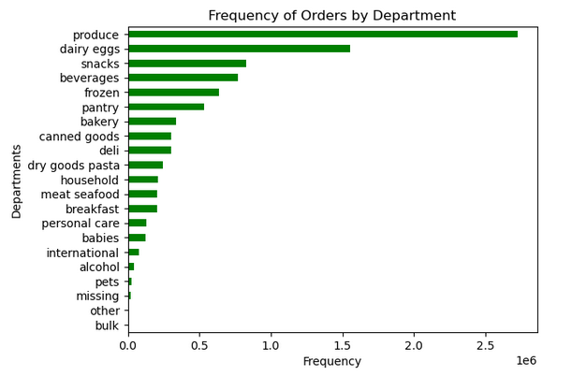

Answer: | The top 5 products categories are produce, dairgy eggs, snacks, beverages and frozen

5) The marketing and sales teams are particularly interested in the different types of customers in their system and how their ordering behaviors differ.

a) What’s the distribution among users in regards to their brand loyalty (i.e., how often do they return to Instacart)?

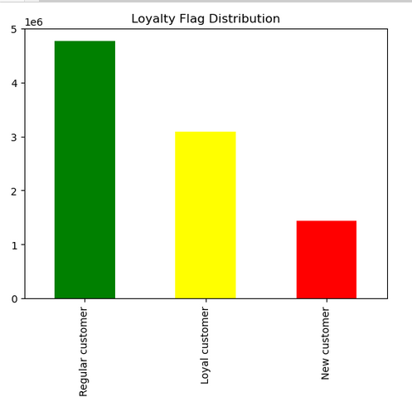
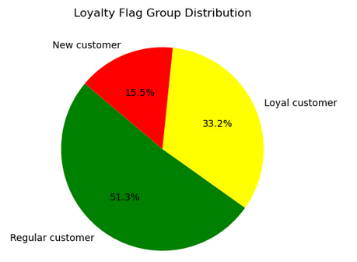

Answer: | Regular customers are the once with more return frequency

b) Are there differences in ordering habits based on a customer’s loyalty status?

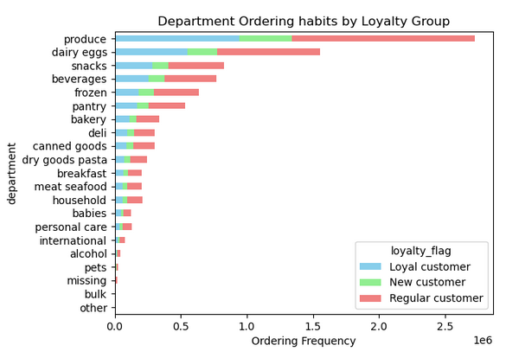
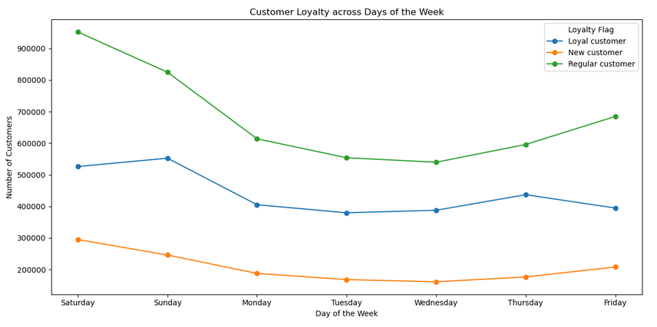
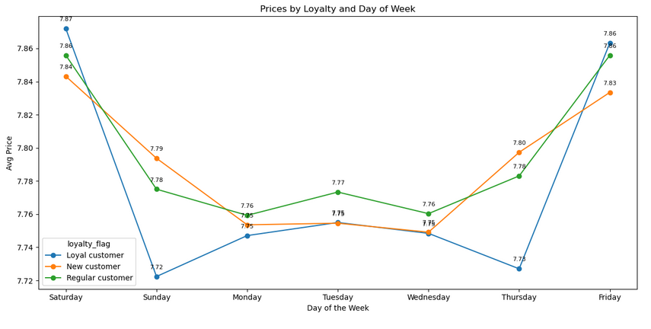

Answer: | The three loyalty tag groups exhibit uniformity in their consumption of the top five categories. Observing their shopping habits reveals that regular customers predominantly shop on weekends, especially on Saturdays. Loyal customers prominently make their purchases on Sundays, while new customers are inclined to shop on both Saturdays and Sundays. In terms of average spending per order, there is a consensus among all three groups, with peak spending occurring on Saturdays and Fridays. Loyal customers show a stark fluctuation in spending between Fridays and Saturdays compared to the rest of the week. In contrast, regular customers experience a more modest variation in their spending patterns

c) Are there differences in ordering habits based on a customer’s region?

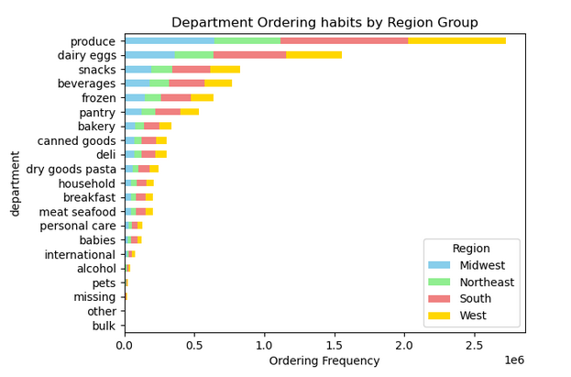
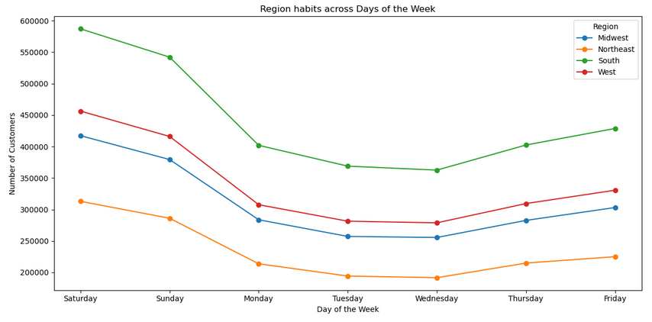
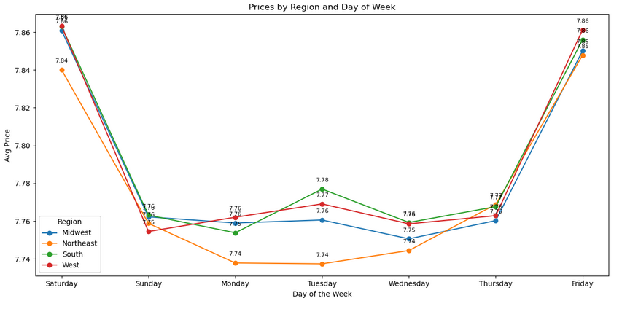

Answer: | The four regional groups exhibit uniformity in their preference for the top five categories of consumption. When it comes to their shopping days, a similar concordance is observed among the regions, albeit with varied levels of consumption. The South Region notably surpasses the others, with the West and Midwest following in consumption levels. Concerning the average expenditure per order, there is a consensus among the four groups, with Saturdays and Fridays being the peak days for spending. Loyal customers exhibit a more pronounced fluctuation in spending between Fridays and Saturdays compared to the rest of the week, while regular customers demonstrate a subtler variation.

d) Is there a connection between age and family status in terms of ordering habits?

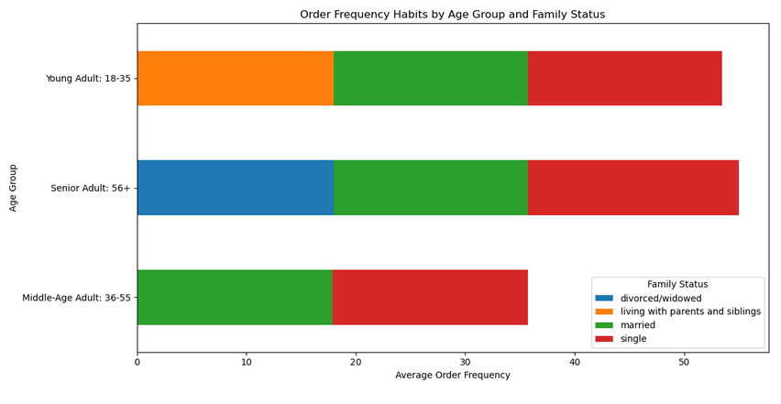
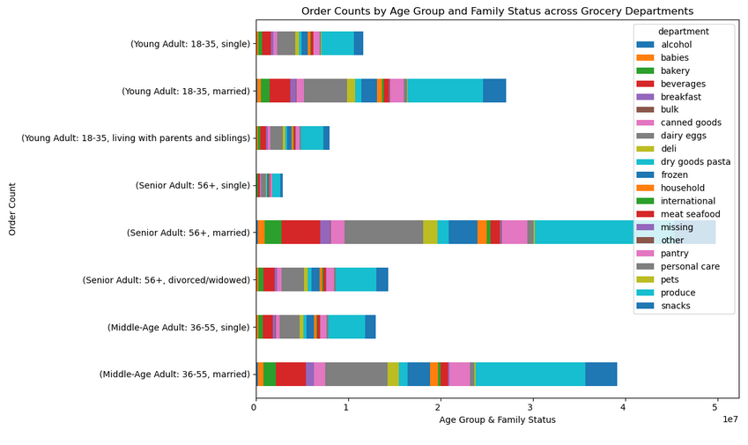

Answer: | The data reveals that among the four family statuses, individuals who are either married or single, spanning across three age demographics, exhibit the highest average request rates. Within the category of those living with parents and siblings, it is predominantly the young adults who manifest the highest average frequency of orders. Analyzing across all age and family statuses, it is evident that the production department is the most frequented one. Remarkably, within this department, married senior adults and married middle-aged adults are more prominently represented

e) What different classifications does the demographic information suggest? Age? Income? Certain types of goods? Family status?

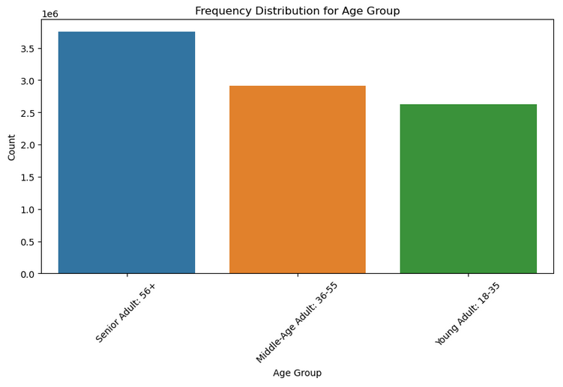
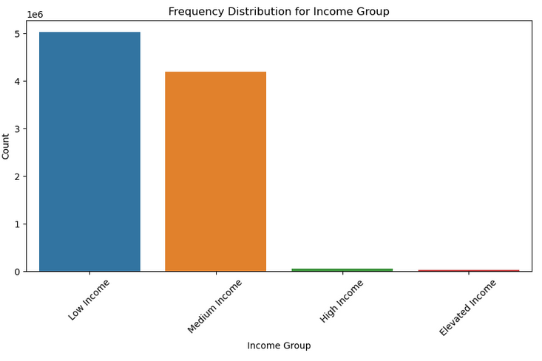

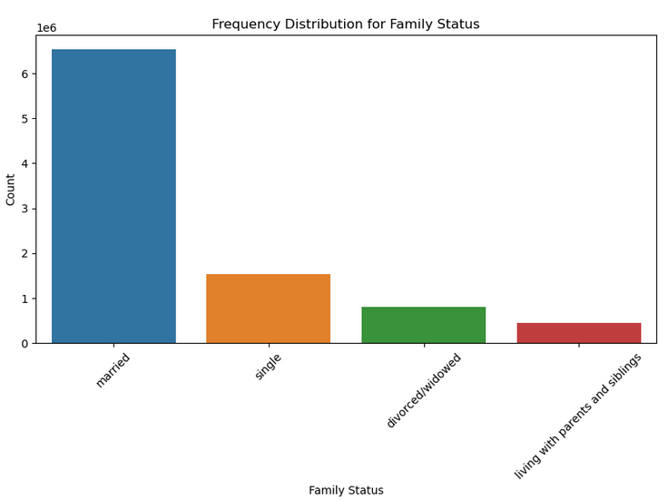
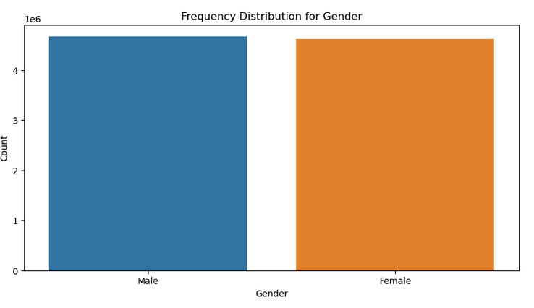

Answer: | Age Group: The frequency of orders varies considerably across different age groups. Senior Adults are prominently the most active, placing the highest number of orders. Following them are the Middle-Aged individuals, who also show significant activity. However, Young Adults lag notably behind, demonstrating the least engagement in placing orders. Income Group: Analyzing by income reveals a distinct pattern, with Low-Income individuals being the most frequent customers, showcasing a high level of engagement with the service. Medium Income individuals follow, but there is a noticeable drop in order frequency as we move to High and Elevated Income groups, with these demographics exhibiting minimal interaction. Family Status: A striking difference is observed in order frequencies when evaluated against family status. Married individuals overwhelmingly place more orders compared to other groups, with Singles coming in a distant second. Divorced/Widowed and those Living with Parents and Siblings are the least active, contributing minimal orders. Gender: There is a discernible difference in order placement between genders. Males are more active, with their order frequency almost reaching five counts, whereas Females are slightly less engaged, falling just below five counts.

f) What differences can you find in ordering habits of different customer profiles? Consider the price of orders, the frequency of orders, the products customers are ordering, and anything else you can think of.

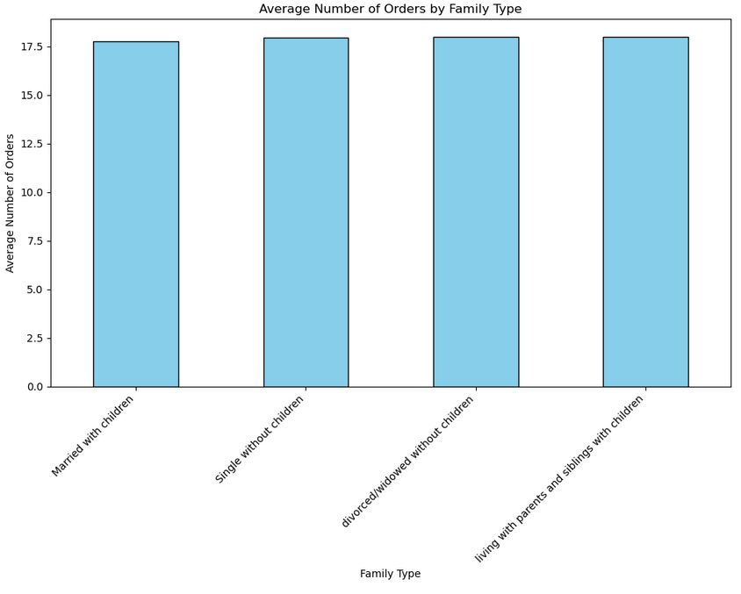
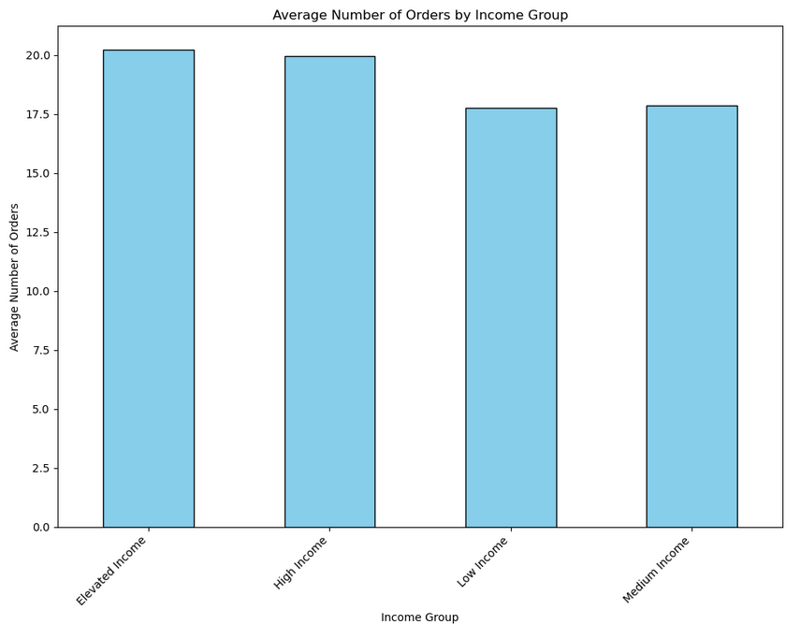
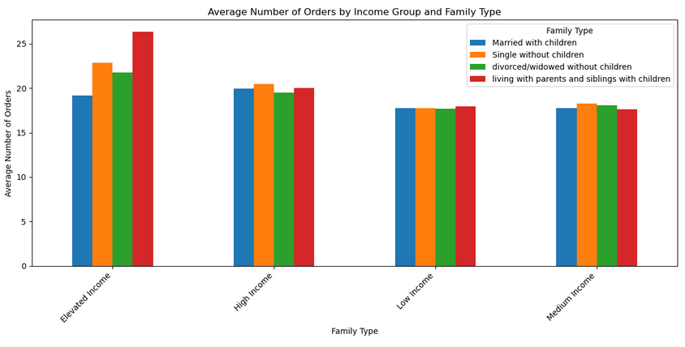

Answer 1: | Married with Children: This group has an average order count of approximately 17.77, reflecting a substantial level of engagement and interaction. Single without Children: This demographic is also highly active, with an average order count slightly higher than the Married with Children group, at approximately 17.95, showcasing their significant involvement in placing orders. Divorced/Widowed without Children: Individuals in this category maintain a high level of activity, placing, on average, approximately 17.99 orders, slightly edging out the other family types listed. Living with Parents and Siblings with Children: This family type exhibits a close average order count of approximately 17.97, comparable to the other listed family types, indicating a consistent level of order placement across the family types.
Answer 2: | Elevated Income: This income group stands out with the highest average order count of approximately 20.22, indicating a heightened level of interaction and utilization of the service. High Income: The High-Income group also showcases substantial engagement, with an average order count of approximately 19.96, slightly below the Elevated Income group but still significantly active. Low Income: The Low-Income group presents a noticeable drop in average order count, standing at approximately 17.76, reflecting a lower yet consistent level of engagement compared to higher income brackets. Medium Income: Finally, the Medium Income group displays a similar order count to the Low-Income group, with an average of approximately 17.88 orders, maintaining a steady interaction level.
Answer 3: | Elevated Income: Married with Children: This segment has an average order count of approximately 19.16, indicating substantial interaction levels. Single without Children: Exhibits the highest interaction with an average order count of approximately 22.83, surpassing other family types in the Elevated Income group. Divorced/Widowed without Children: Holds an average order count of approximately 21.77, maintaining a high engagement level. Living with Parents and Siblings with Children: This family type within the Elevated Income group tops with an average of approximately 26.37 orders, showing the most elevated level of engagement in this income bracket. High Income: The average order counts for different family types in this group are relatively close, ranging from approximately 19.52 to 20.45, with Single without Children and Living with Parents and Siblings with Children showing slightly higher engagement. Low Income: All family types in this income group have closely packed average order counts, ranging from approximately 17.70 to 17.96, indicating uniform engagement levels across different family types. Medium Income: The information for Medium Income is not provided, but it can be inferred that their engagement level would likely be close to that of Low-Income groups, given the previous graph’s insights.

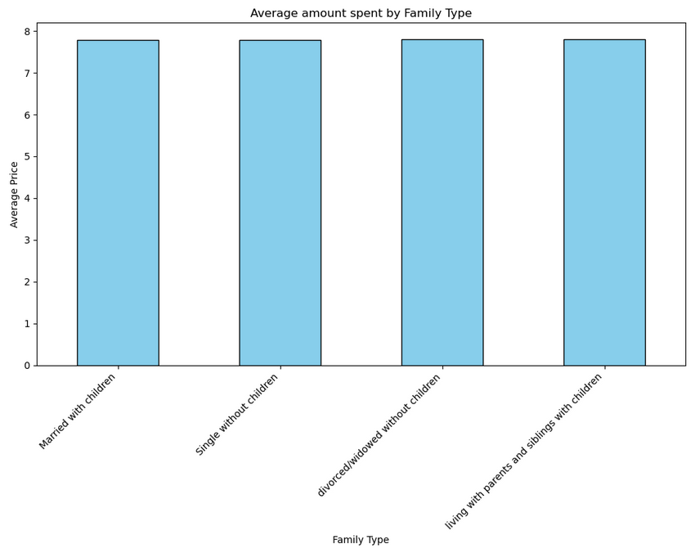
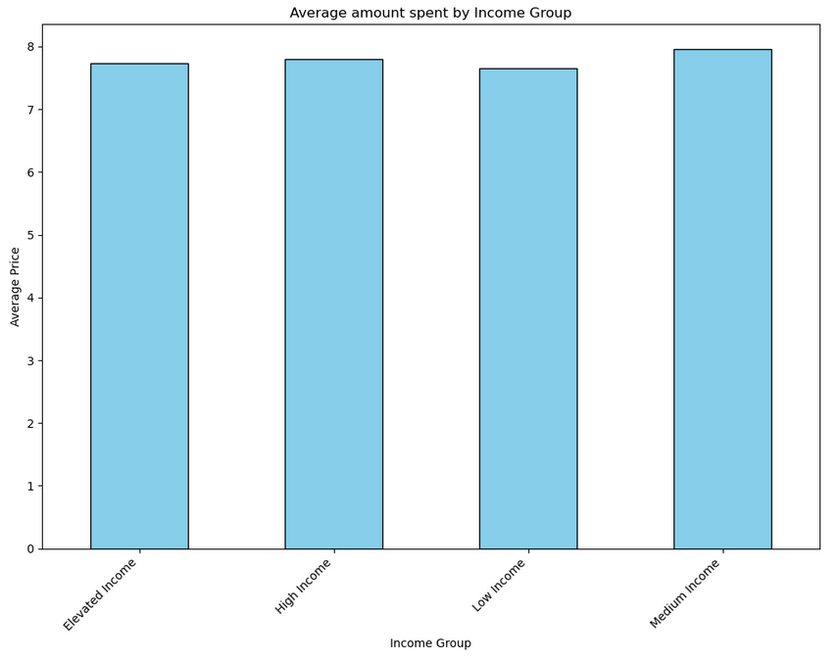
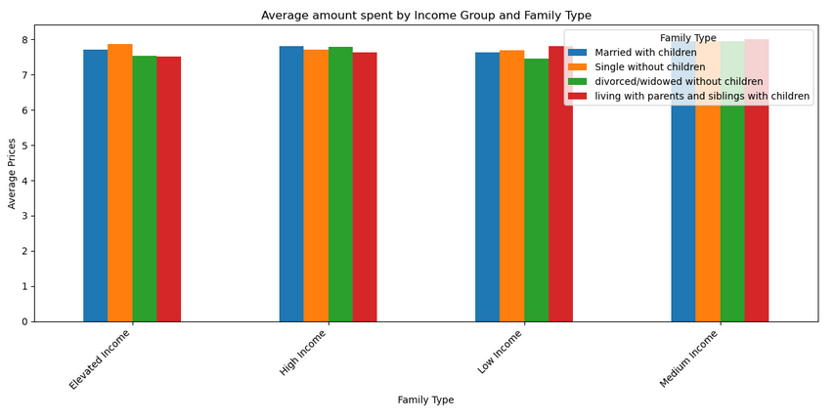

Answer 1: | Married with Children: This group spends an average of approximately $7.79 per order, reflecting a moderate expenditure level. Single without Children: Singles without children exhibit nearly identical spending habits, with an average expenditure of approximately $7.79 per order. Divorced/Widowed without Children: This category shows a slightly higher average spending of approximately $7.80 per order, indicating a marginally elevated spending pattern. Living with Parents and Siblings with Children: This family type spends, on average, approximately $7.81 per order, marking the highest spending level among the observed groups.
Answer 2: | Elevated Income: Individuals in this income bracket spend an average of approximately $7.73, which, intriguingly, is not the highest among the groups. High Income: This group spends a slightly higher average amount of approximately $7.80 per order, demonstrating moderate spending habits. Low Income: The Low-Income group has an average spending of approximately $7.65 per order, reflecting prudent spending behavior. Medium Income: The Medium Income group surprisingly leads in spending, with an average amount of approximately $7.96 per order, indicating a propensity to spend more despite having medium income levels.
Answer 3: | Elevated Income: Married with Children: This segment spends an average of approximately $7.72, reflecting moderate expenditure. Single without Children: This group exhibits a higher average spending of approximately $7.87. Divorced/Widowed without Children: This category has an average spending of approximately $7.53, the lowest within the Elevated Income bracket. Living with Parents and Siblings with Children: This group spends roughly $7.52 on average, comparable to the Divorced/Widowed category within this income group. High Income: Across all family types in this income group, the average spending is relatively uniform, ranging from approximately $7.63 to $7.82, indicating consistent spending habits. Low Income: The average spending in this group ranges from approximately $7.46 to $7.80, with Living with Parents and Siblings with Children spending the most within this income group. Medium Income: In this income bracket, the average spending is the highest among the groups, ranging from approximately $7.95 to $8.01, with Living with Parents and Siblings with Children again spending the most.

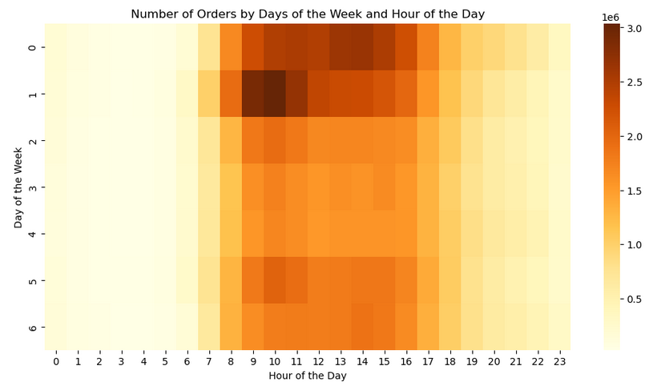

Answer: | Saturdays: The period from 8 AM to 3 PM on Saturdays is marked by frequent orders, indicating a high level of activity and making it one of the busiest times of the week. Sundays: A notable surge in orders is observed from 9 to 11 PM on Sundays, with the darkest colors on the heatmap underscoring this as the peak time for orders, surpassing all other times throughout the week. Weekdays: The remaining weekdays display a subdued color intensity on the heatmap, signifying lower order frequencies and a relative lull in activity during these times.

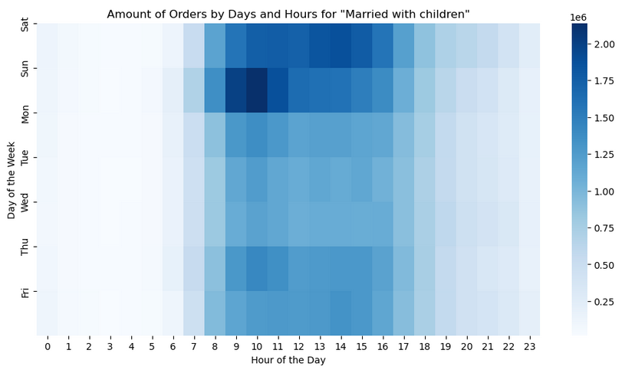
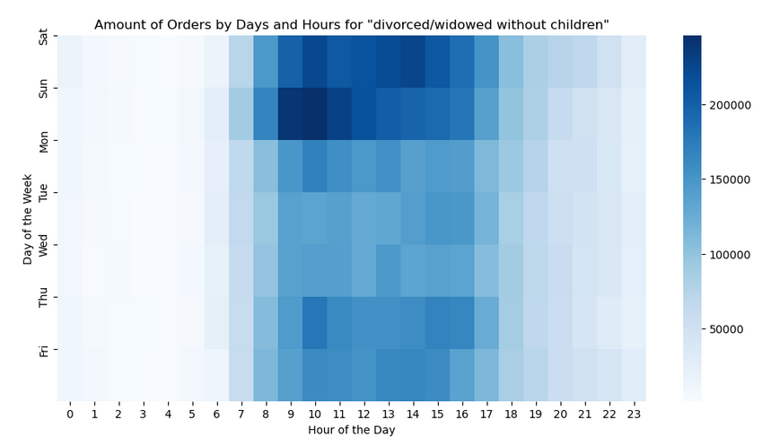

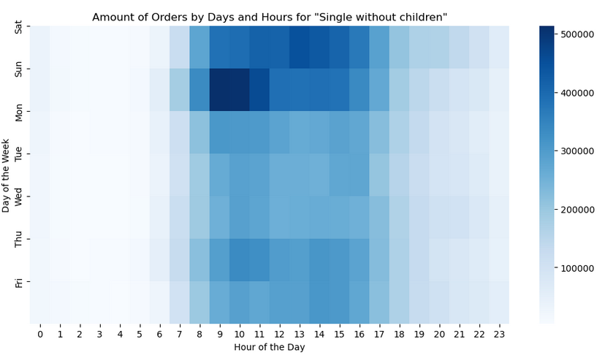
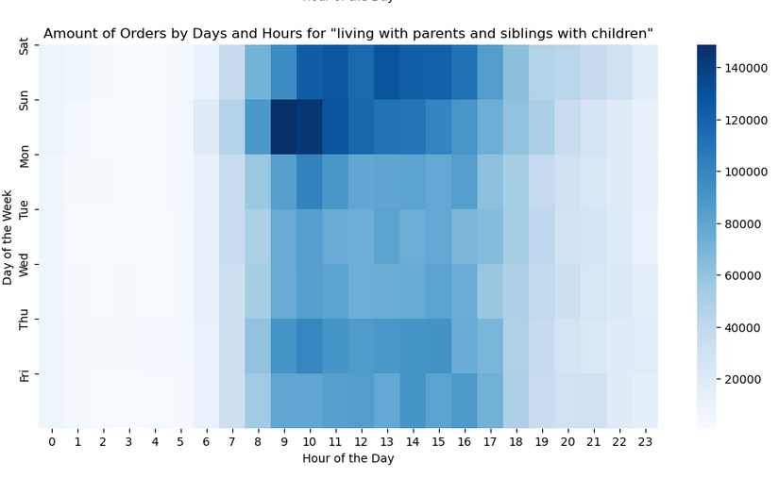

Answer: | Married with Children: This group prominently displays the busiest activity on Sundays from 8 AM to 11 AM, mirroring the overall trend observed in the heatmap. Divorced/Widowed without Children: Similar to the Married with Children group, the peak activity for this group occurs on Sundays between 8 AM and 11 AM. Additionally, there is a noticeable spike on Saturdays between 1 PM to 3 PM, indicating a secondary busy period, albeit not as pronounced as on Sundays. Single without Children & Living with Parents and Siblings with Children: Both these groups align with the overall trend, with the busiest time being on Sundays from 8 AM to 11 AM, without significant deviations or secondary peaks. Common Trends Across Groups: Outside the identified peak times, the color intensity on the heatmaps is considerably lighter across all family types, signifying uniformity in lower activity levels during the rest of the days and times.

7. Recommendations
 |  |  |  |  | Title page

Recommendations

In this tab you should include any recommendations you would made to Instcart in terms of their marketing strategy based on the questions posed in the brief. Every key question has been covered in the Tasks of the Exercises - here you need to add an item - a visualisation or table/crosstable that is showing the answer in the data, acompanied by a comment from you. Please, list the questions below and add the answer underneath.

Key Questions | Insights | Implications | Recommendations | Motive
1. The sales team needs to know what the busiest days of the week and hours of the day are (i.e., the days and times with the most orders) in order to schedule ads at times when there are fewer orders. | Indeed, as observed, Saturdays and Sundays are the busiest days, seeing a substantial increase in orders compared to the rest of the week. There is a distinct peak in orders starting from 9 AM, reaching its zenith at 10 AM, followed by a slight drop at 11 AM but maintaining stability until 3 PM. Post 5 PM, there is a noticeable deceleration in order placement. Specifically, the pinnacle of activity on Fridays and Saturdays is at 2 PM, while on other days, it's at 10 AM. | Consumers are busiest during peak times and days, likely because it's convenient. So, running ads when it's less busy could grab their attention and boost activity during usually quiet times. | Ad Timing: Run ads during early mornings and late evenings on weekdays and post-5 PM on weekends to capture attention during lower activity periods. Spending Peaks: Place targeted ads between 3 AM and 5 AM to leverage periods when consumer spending is at its highest. Ad Content: Use a variety of ad content during quieter times to attract different consumer segments. Promotions: Offer special deals or incentives during off-peak hours to encourage more orders during those times. | By implementing these streamlined strategies, the sales team can effectively reach more consumers and potentially increase sales during typically quieter shopping periods.

2. They also want to know whether there are particular times of the day when people spend the most money, as this might inform the type of products they advertise at these times. | Consumer expenditure is at its pinnacle between the early hours of 3 AM and 5 AM. This indicates that consumers are inclined to allocate more funds to their purchases during these hours, suggesting a potential shift in shopping behavior and spending patterns during the early morning. | The increased spending during these early hours implies that consumers may be more receptive to higher-value products or exclusive deals during this time. It could be indicative of a segment of consumers who prefer shopping in the early morning, possibly due to lower traffic or specific lifestyle preferences, and are willing to spend more per purchase. | Product Placement: Advertise higher-margin and premium products between 3 AM and 5 AM to capitalize on increased consumer spending during these hours. Exclusive Deals: Offer exclusive or time-sensitive deals during these early morning hours to entice consumers to make purchases. Consumer Research: Further investigate the consumer segment active during these hours to tailor the advertising content more effectively to their preferences and behaviors. | By optimizing product advertisement and offers during these peak spending hours, there is an opportunity to maximize revenue by aligning product offerings with consumer spending patterns.

3. Instacart has a lot of products with different price tags. Marketing and sales want to use simpler price range groupings to help direct their efforts. | The majority of products fall within the Low-range price group, with a frequency reaching 3, significantly outnumbering the Mid and High-range products, which don't even reach a frequency of 0.5. This is further corroborated by the percentage distribution, with Low-range products constituting 89.6% of the total, Mid-range at 6.7%, and High-range at a mere 3.7%. | This overwhelming prevalence of Low-range products implies a predominant consumer preference or demand for more affordably priced items, possibly indicating a more price-sensitive customer base. The limited presence and preference for Mid and High-range products suggest that these might not be the primary drivers of sales and customer engagement on the platform. | Targeted Advertising: Focus the majority of advertising efforts on promoting Low-range products to align with prevalent consumer preferences and demand. Strategic Product Placement: Prioritize the visibility of Low-range products on the platform to cater to the predominant consumer preference for affordable options. Selective Promotion: Occasionally promote Mid and High-range products through targeted and exclusive deals to gauge and potentially stimulate interest in higher-priced items. Market Research: Conduct further research to understand the preferences and purchasing behaviors of the customer base to refine product offerings and advertising strategies. | Adapting marketing and sales strategies to emphasize Low-range products while selectively promoting higher-priced items can help in aligning with consumer preferences, potentially leading to increased customer engagement and sales.

4. Are there certain types of products that are more popular than others? The marketing and sales teams want to know which departments have the highest frequency of product orders. | The data indicates a clear preference among consumers for certain types of products. The ‘Produce’ department stands out with the highest frequency of product orders at 2.5, followed by ‘Dairy Eggs’ with just over 1.5. ‘Snacks’ and ‘Beverages’ departments also have significant frequencies, albeit under 1.0, and ‘Frozen’ products are chosen with a frequency of 0.8. | The prominence of the ‘Produce’ and ‘Dairy Eggs’ departments suggests a strong consumer inclination towards fresh and perishable goods. This preference implies that these departments are crucial for customer engagement and sales, potentially driving the overall shopping experience and satisfaction on the platform. | Enhanced Promotion: Focus promotional efforts and advertising on products from the ‘Produce’ and ‘Dairy Eggs’ departments to align with consumer preferences and drive sales. Strategic Placement: Prioritize the visibility of popular departments like ‘Produce’ and ‘Dairy Eggs’ on the platform to enhance user experience and satisfaction. Diversified Advertising: Occasionally highlight products from ‘Snacks’, ‘Beverages’, and ‘Frozen’ departments to encourage exploration and diversification in consumer choices. | By concentrating marketing efforts on popular departments and strategically promoting a diverse range of products, there’s potential to boost consumer engagement and optimize sales.

5. What’s the distribution among users in regards to their brand loyalty (i.e., how often do they return to Instacart)? | There are three distinct groups of customer loyalty: regular customers dominate with a frequency of 5, followed by loyal customers with a frequency of 3, and new customers with just over 1. In terms of percentage distribution, 51.3% are regular customers, 33.2% are loyal customers, and 15.5% are new customers. | Most shoppers on the platform are regulars, showing they often return to Instacart. This means many customers find the service reliable and continue to use it regularly, while there is a smaller, yet significant, proportion of new users trying the service. | Engagement Strategies: Keep regular and loyal customers engaged with personalized deals and rewards to encourage continued usage. Outreach and Onboarding: Focus on outreach efforts and user-friendly onboarding experiences to convert more new customers into regular or loyal ones. Feedback and Improvement: Gather feedback from all user groups and make continual improvements to retain current customers and attract new ones. | Implementing such strategies can help maintain a solid base of regular and loyal customers while also bringing in new users to the platform.

6. Are there differences in ordering habits based on a customer’s loyalty status? | All three loyalty groups—regular, loyal, and new customers—show a preference for the top five categories with little variation in their choices. Regular customers predominantly shop on Saturdays, loyal customers on Sundays, and new customers are inclined to shop on both days of the weekend. The average spending per order is consistent across the groups, peaking on Saturdays and Fridays, with loyal customers showing significant fluctuations in spending between these days compared to the rest of the week, while regular customers have more steady spending patterns throughout the week. | Customers, regardless of their loyalty status, have similar preferences in product categories and tend to shop more on the weekends. However, loyal customers have more variable spending habits on Fridays and Saturdays, suggesting they might be more influenced by deals or promotions occurring on these days, while regular customers maintain consistent spending. | Personalized Promotions: Offer tailored promotions on weekends to cater to the varied shopping habits of regular, loyal, and new customers. Targeted Deals: Considering the fluctuating spending of loyal customers on Fridays and Saturdays, provide special deals or incentives on these days to maximize sales from this group. Consistency in Offers: Maintain a steady stream of offers and promotions throughout the week for regular customers to sustain their consistent spending patterns. | By aligning promotions and offers with the distinct shopping habits of each loyalty group, there is potential to enhance customer satisfaction and increase sales across all customer segments.

7. Are there differences in ordering habits based on a customer’s region? | The consumption preferences among the four regional groups—South, West, Midwest, and Northeast—are uniform regarding the top five product categories. They share similarities in preferred shopping days, but the levels of consumption vary, with the South Region leading, followed by the West and Midwest. Regardless of the region, Saturdays and Fridays are the preferred days for higher expenditures, with loyal customers showing notable fluctuations in spending between these days, in contrast to the more consistent spending patterns of regular customers. | People across all regions, including the Northeast, have similar product preferences and shop more on the same days, but their spending levels vary, especially in the South. Loyal customers, regardless of the region, tend to change their spending more on Fridays and Saturdays, possibly responding to specific promotions or deals, while regular customers maintain a steady spending pattern. | Tailored Regional Promotions: Implement promotions and deals that align with the distinct spending patterns observed in each region, paying special attention to the higher consumption in the South Region. Engagement of Loyal Customers: Capitalize on the fluctuating spending of loyal customers during peak days by offering targeted deals or incentives to maximize sales from this demographic. Consistent Offers for Regulars: Ensure a steady array of offers for regular customers across all regions to sustain their uniform spending habits. | By tailoring promotional strategies to the unique consumption patterns and preferences of each region and customer type, there is an opportunity to optimize engagement and drive sales across diverse geographical and demographic segments.

8. Is there a connection between age and family status in terms of ordering habits? | The data highlights a connection between age and family status in ordering habits. Married and single individuals, across all age demographics, have the highest average order rates. Particularly, young adults living with parents and siblings are more active in placing orders. Across all age and family statuses, the production department is the most frequented, with married senior and middle-aged adults being the most represented in this department. | Different family statuses and age groups do have varied ordering habits. Married or single people, regardless of age, tend to order more, with young adults living with family being particularly active. Also, the preference for the production department is universal, but it’s especially popular among married seniors and middle-aged adults. | Targeted Marketing: Develop marketing strategies that target married and single individuals across all age groups, and particularly focus on young adults living with parents and siblings, to capitalize on their higher ordering frequency. Product Highlighting: Emphasize products from the production department in promotions, especially to married senior and middle-aged adults, given their pronounced preference for this department. Age and Family Status Specific Promotions: Create promotions and deals that cater to the specific preferences and ordering habits of different age and family status groups to enhance engagement and sales. | By aligning marketing and promotional efforts with the observed preferences and ordering habits of different age and family status groups, there is an opportunity to optimize customer engagement and increase sales.

9. What different classifications does the demographic information suggest? Age? Income? Certain types of goods? Family status? | The demographic information reveals distinct classifications and ordering patterns based on age, income, family status, and gender: Age Group: Senior adults are the most active, followed by middle-aged individuals, with young adults being the least active in placing orders. Income Group: Low-income individuals are the most frequent customers, with a decline in frequency observed in medium, high, and elevated income groups. Family Status: Married individuals place the most orders, with singles following and divorced/widowed and those living with parents and siblings being the least active. Gender: Males are slightly more active in order placement compared to females. | Different demographic groups have varied ordering habits. Seniors and low-income individuals tend to order more frequently, as do married individuals and males. These patterns suggest that each demographic group has unique needs and preferences, impacting their interaction with the service. | Demographic-Focused Strategies: Tailor marketing and promotional efforts to cater to the specific needs and preferences of each demographic group, emphasizing those that are more active, such as senior adults, low-income, and married individuals. Gender-Specific Approaches: Develop gender-specific marketing strategies to optimize engagement with both male and female customers, considering the slight preference of males towards more frequent ordering. Inclusive Promotions: Design inclusive promotions and deals that appeal to a broad range of demographic groups, including those less active, to increase overall engagement and sales. | Implementing strategies that are attuned to the distinct preferences and behaviors of various demographic groups can help in enhancing the appeal of the service to a diverse customer base and potentially drive higher sales.

10. What differences can you find in ordering habits of different customer profiles? Consider the price of orders, the frequency of orders, the products customers are ordering, and anything else you can think of. | AVERAGE NUMBER OF ORDERS BY INCOME GROUP AND FAMILY TYPE Ordering habits exhibit considerable variation across different customer profiles, particularly in relation to family type and income group: Elevated Income Group: Different family types within this income bracket show high engagement levels, with ‘Living with Parents and Siblings with Children’ displaying the most elevated level of engagement, averaging around 26.37 orders. ‘Single without Children’ also exhibits substantial interaction, with an average order count of approximately 22.83. High Income Group: Family types within this group have relatively close average order counts, ranging from approximately 19.52 to 20.45, suggesting a uniform level of engagement across different family configurations. Low Income Group: Similar to the High Income group, all family types in the Low-Income group exhibit closely packed average order counts, suggesting uniform engagement across different family types within this income bracket. | Different family types within various income groups have distinct ordering habits, with those in the Elevated Income group, particularly ‘Living with Parents and Siblings with Children’ and ‘Single without Children,’ showing higher engagement. However, within the High and Low Income groups, the engagement levels are relatively uniform across different family types. | Targeted Engagement: Prioritize engagement strategies for family types within the Elevated Income group showing higher interaction levels, particularly focusing on ‘Single without Children’ and ‘Living with Parents and Siblings with Children.’ Uniform Approach: For High and Low Income groups, where engagement is uniform across family types, adopt a more generalized approach, designing promotions and strategies that appeal to all family configurations within these income brackets. Data-Driven Adjustments: Continuously monitor ordering habits across different customer profiles, adjusting engagement and marketing strategies based on evolving patterns and preferences. | By tailoring strategies to the specific engagement levels and preferences of different customer profiles, there is an opportunity to optimize interactions and potentially enhance sales across various segments

 | AVERAGE AMOUNT SPENT BY INCOME GROUP AND FAMILY TYPE The average amount spent demonstrates distinct patterns within different income groups and family types: Elevated Income Group: The spending in this group varies, with ‘Single without Children’ spending the most, approximately $7.87, and ‘Divorced/Widowed without Children’ and ‘Living with Parents and Siblings with Children’ spending the least, around $7.52-$7.53. High Income Group: The spending is consistent across all family types, ranging from $7.63 to $7.82, suggesting uniform spending habits within this income bracket. Low Income Group: The average spending varies from $7.46 to $7.80, with ‘Living with Parents and Siblings with Children’ spending the most within this group. Medium Income Group: This group has the highest average spending among all, ranging from $7.95 to $8.01, with ‘Living with Parents and Siblings with Children’ again being the top spenders. | Different income groups and family types exhibit varied spending habits, with ‘Living with Parents and Siblings with Children’ usually spending the most within their income groups. Elevated and Low Income groups show variations in spending among different family types, while High Income groups maintain more consistency. | Tailored Promotions: Design promotions and offers that align with the spending patterns of each income group and family type, focusing on those with higher average spending like ‘Living with Parents and Siblings with Children’ and ‘Single without Children’ in the Elevated Income group. Uniform Offers: For High Income groups with consistent spending habits, create uniform offers and promotions that appeal to all family types within this income bracket. Optimized Pricing: Adjust pricing strategies to cater to the distinct spending habits of different customer profiles, ensuring value for both high and low spenders. | By aligning promotional, pricing, and product strategies with the distinct spending patterns of each customer profile, there is an opportunity to enhance value perception and encourage higher spending across diverse segments.

 | The heatmap reveals distinct patterns in the number of orders by day of the week and hours of the day: Saturdays: This day is characterized by a high level of activity, particularly between 8 AM and 3 PM, marking it as one of the busiest times of the week. Sundays: This day experiences a peak in orders from 9 to 11 PM, surpassing all other times throughout the week, as represented by the darkest colors on the heatmap. Weekdays: The weekdays, in contrast, are marked by subdued color intensity on the heatmap, indicating lower frequencies of orders and a relative decrease in activity during these times. | People tend to place most of their orders on the weekends, with Saturdays being busy mostly during the day and Sundays experiencing a surge in the evening. In contrast, weekdays are generally less busy, indicating possibly different routines or availability during these days. | Weekend Promotions: Optimize promotional activities and special offers for the weekends, especially during the identified peak times, to capitalize on the increased activity. Weekday Engagement: Develop strategies to enhance engagement and incentivize orders during the weekdays, possibly through exclusive deals or weekday-only discounts, to balance the order flow throughout the week. Time-Specific Offers: Deploy time-specific offers and flash sales during peak hours on weekends to maximize impact and drive sales. | By aligning promotional activities and offers with the identified peak times and days, there is an opportunity to maximize engagement and drive sales, while also encouraging a more balanced distribution of orders throughout the week.

 | Analysis of the four heatmaps detailing amount of orders by day and hour for different family statuses reveals distinct patterns: Married with Children & Single without Children & Living with Parents and Siblings with Children: These groups show peak activity on Sundays from 8 AM to 11 AM, aligning with the overall trend observed, with no significant deviations or secondary peaks. Divorced/Widowed without Children: This group, while also showing peak activity on Sundays between 8 AM and 11 AM, has a secondary busy period on Saturdays between 1 PM to 3 PM, though not as pronounced as on Sundays. Common Trends: Outside the identified peak times, there is uniformity in lower activity levels across all family types, as depicted by the lighter color intensity on the heatmaps during the rest of the days and times. | Most family statuses have similar peak ordering times, mainly on Sunday mornings, but Divorced/Widowed without Children also have a noticeable increase in orders on Saturday afternoons. The rest of the week is generally quieter for all groups, suggesting possible availability or preference for weekend shopping. | Targeted Weekend Promotions: Implement targeted promotions during peak times on Sundays, especially for family statuses showing higher activity, to leverage the increased engagement. Saturday Engagement for Specific Groups: For the Divorced/Widowed without Children group, deploy special offers or incentives on Saturday afternoons to capitalize on their secondary peak activity period. Balanced Weekday Strategies: Develop engagement strategies and incentives for weekdays to encourage more balanced ordering habits across all family statuses throughout the week. | By tailoring strategies to the specific ordering patterns of each family status, there is potential to optimize engagement and increase sales, while also promoting more balanced ordering habits throughout the week.

